Instructions
 | 
 | INSTRUCTIONS FOR USE OF LANDSCAPE BUDGET WORKSHEET
General Instructions
1 | The yellow tab sheets require user input.
2 | Cells requiring user input are also shaded in yellow.
3 | The sheets are protected to help prevent accidental loss of formulae and data; cells that are yellow are the only cells that can (or should) be changed.
 | Data Entry
1 | Go to the Monthly ETo worksheet.
2 | The sheet contains the current best estimate of average monthly ETo for EMWD. It will be updated by the District if necessary.
3 | The graph below the table contains the ETo data and source name. This graph can be copied into a design report or printed.
4 | Go to the SiteInfo worksheet.
5 | Enter the name and address of the site and the target conservation factor. The target conservation factor should be 60% or less.
6 | The remaining cells on this sheet are calculated elsewhere and provided here as summaries.
7 | Go to the DesignTable worksheet; it contains two tables.
8 | Enter the information for each Zone into the TIR Calculation Table.
a | Enter the Irrigated Area, in square feet.
b | Choose the Plant Type from the plant dropdown list. To select from the list click the yellow cell and an arrow will appear on the right hand side of the cell. Click on the arrow and scroll through the list to select the plant type.
c | The appropriate species factors, densities and irrigation efficiencies will be automatically used to determine the annual water requirement for each zone.
d | Spray zones (turf) are assumed to have an irrigation efficiency of 71% and drip zones (shrubs etc.) are assumed to have an efficiency of 90%.
e | Swimming pools are assumed to use 125% of ETo.
9 | In the table Water Use Summary for Design compare the Landscape Ratio to the Target Conservation Factor. If the Landscape Ratio is less than or equal to the Target Conservation Factor then the landscape meets the water budget goal.
10 | At the end of every month, beginning in December, enter your water meter reading into the yellow cells in the Tracking worksheet. The graphs and tables will automatically update the monthly and cumulative water use for the site in comparison to the water budget. (At the beginning of the year erase the old readings and save the worksheet with the current year name).

Monthly ETo
 | Table 1: | Monthly ETo: EMWD Avg
 |  |  | EMWD Avg
 | Month | (FT) | (IN) | Local ETo (in Inches)
 | January | 0.21 | 2.48
 | February | 0.26 | 3.10
 | March | 0.34 | 4.10
 | April | 0.46 | 5.53
 | May | 0.54 | 6.51
 | June | 0.59 | 7.05
 | July | 0.61 | 7.35
 | August | 0.60 | 7.25
 | September | 0.50 | 5.95
 | October | 0.33 | 3.99
 | November | 0.21 | 2.48
 | December | 0.13 | 1.55
 | Total | 4.78 | 57.33

Graph 1
Monthly ETo: EMWD Avg

Tracking
Monthly Budget Vs. Actual Use
Monthly Water Budget Tracking Sheet (for dedicated irrigation meter, or corrected for indoor use)
Month | ETo | Percent of Annual Total | Monthly Irrigation Budget | End Of Month Water Meter Reading | Actual Amount Used (CF) | Percent of Budget
 | (FT) | % | (CF) | (CF) | (CF) | %
December
January | 0.21 | 4.3% | - |  | -
February | 0.26 | 5.4% | - |  | -
March | 0.34 | 7.2% | - |  | -
April | 0.46 | 9.6% | - |  | -
May | 0.54 | 11.4% | - |  | -
June | 0.59 | 12.3% | - |  | -
July | 0.61 | 12.8% | - |  | -
August | 0.60 | 12.6% | - |  | -
September | 0.50 | 10.4% | - |  | -
October | 0.33 | 7.0% | - |  | -
November | 0.21 | 4.3% | - |  | -
December | 0.13 | 2.7% | - |  | -
Total | 4.78 | 100.0% | - |  | -
Total (BU) |  |  | - |  | -

Cumulative Budget Vs. Actual Use
Cumulative Use
Month | Budget (CF) | Actual (CF) | Actual (BU)
January | - | - | 0
February | - | - | 0
March | - | - | 0
Enter meter readings in yellow cells in units of cubit feet.
April | - | - | 0
May | - | - | 0
June | - | - | 0
July | - | - | 0
August | - | - | 0
September | - | - | 0
October | - | - | 0
November | - | - | 0
December | - | - | 0
Total |  | - | 0

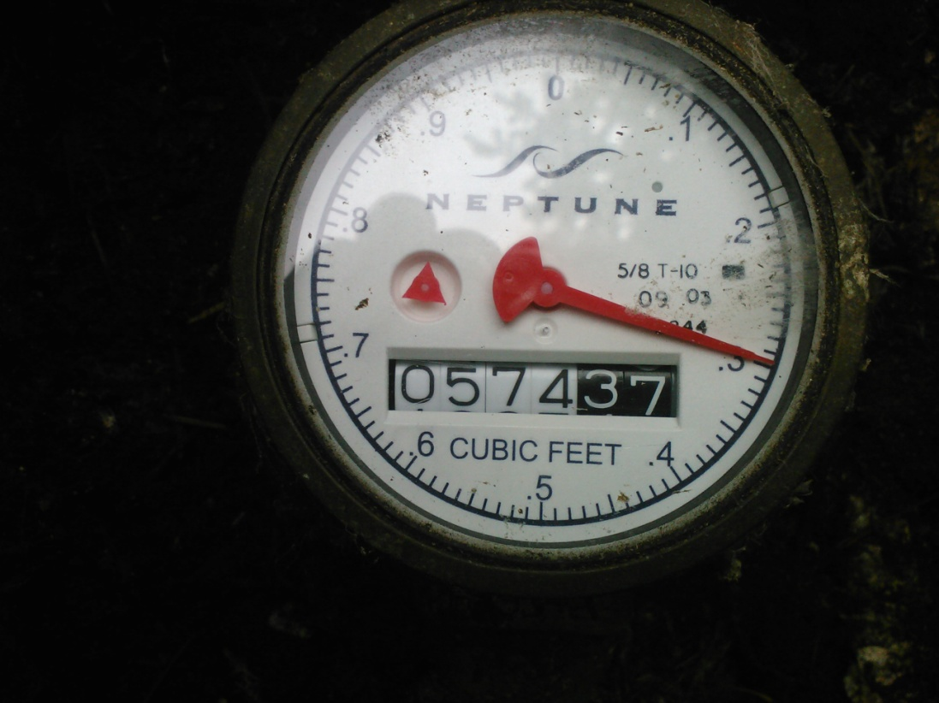

This older type meter reading is: 57437 CF, or 574 BU

 | TYPICAL OLDER DIAL TYPE WATER METER

 | TYPICAL NEW DIGITAL WATER METER

